DIAG_CAN_ID
사내한
RESTRICTED

NO. | UNIT | Diagnostic function | User Option Write | ReadData | IOCtrl | Routine_Ctrl | S/W Reprograming | Diagnostic CAN ID(HEX)
 |  |  |  |  |  |  |  | REQ. | RES. | CAN Network
1 | DSAU | O | X | O | O | X | O | 5C3 | 5CB | B-CAN
2 | ASAU | O | X | O | O | X | O | 5C4 | 5CC | B-CAN
3 | RLSAU | O | X | O | O | X | O | 5B1 | 5B9 | Local-CAN
4 | RRSAU | O | X | O | O | X | O | 5B0 | 5B8 | Local-CAN

ECU INFO
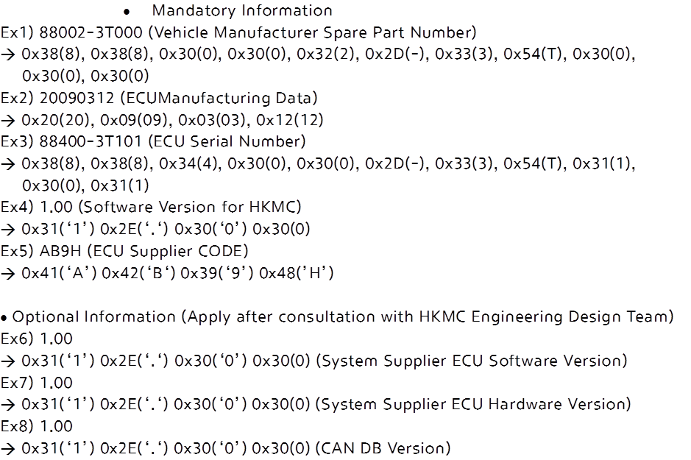
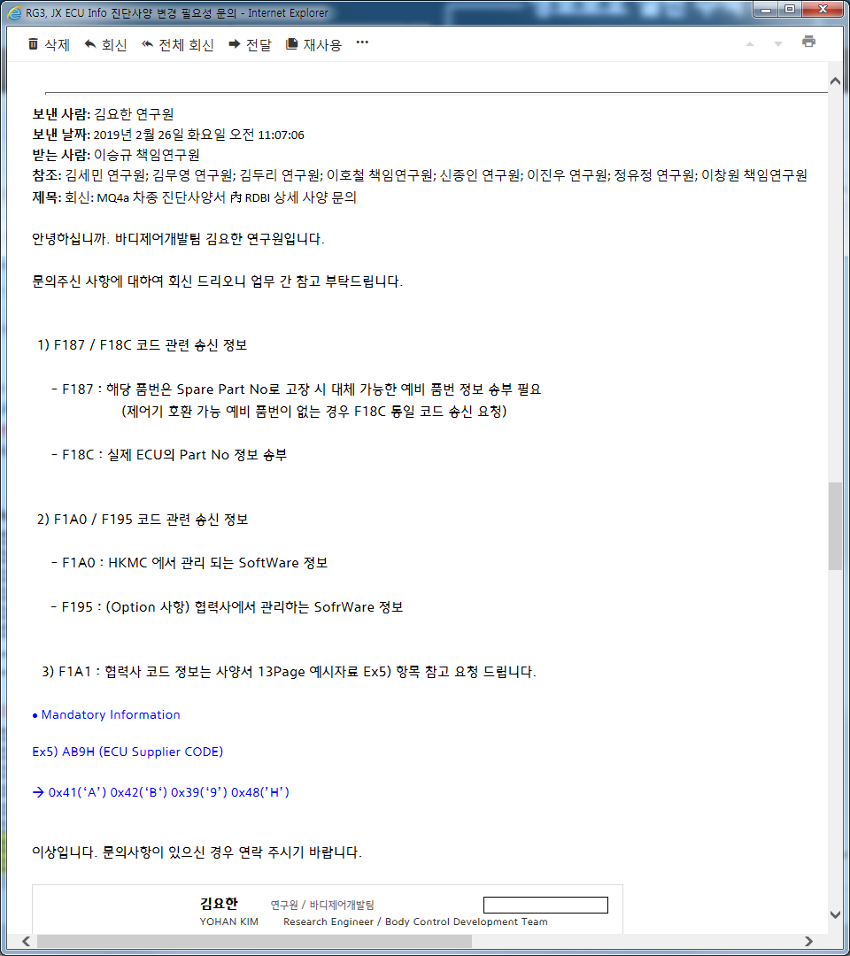

F18C, F1A0, F1A1 추가 (R0.4)
1 RDBI -Read Data By Identifier
1.1 RDBI - Read ECU Identification Service

 |  | Hex Value | Parameter Name
 | dataIdentifier | F187 | VehicleManufacturerSparePartNumberDataIdentifier | Mandatory
 |  | F18B | ECUManufacturingDateDataIdentifier | Mandatory
 |  | F18C | ECUSerialNumberDataIdentifier | Mandatory
 |  | F1A0 | SoftwareVersionforHKMCVehicleManufactureDataIdentifier | Mandatory
 |  | F1A1 | ECUSupplierCodeDataIdentifier | Mandatory
 |  | F195 | SystemSupplierECUSoftwareVersionNumberDataIdentifier | Optional
 |  | F193 | SystemSupplierECUHardwareVersionNumberDataIdentifier | Optional
 |  | F100 | CANDataBaseVersionNumverDataIdentifier | Optional

· Request Message

 | Message Byte | Hex Value | Parameter Name
Data Byte | #1 | 22 | ReadEcuIdentification Request Service Id
 | #2~#3 | XXXX | dataIdentifier

· Positive Response Message

F187 - VehicleManufacturerSparePartNumberDataIdentifier
 | Message Byte | Hex Value | Parameter Name
Data Byte | #1 | 62 | readEcuIdentification Positive Response Service Id
 | #2 ~ #3 | F187 | VehicleManufacturerSparePartNumberDataIdentifier
 | #4 ~ #14 |  | dataRecord[] #1 = [
 |  |  | data #1
 |  |  | ...
 |  |  | data#11]Ex1)

F18B - ECUManufacturingDateDataIdentifier
 | Message Byte | Hex Value | Parameter Name
Data Byte | #1 | 62 | readEcuIdentification Positive Response Service Id
 | #2 ~ #3 | F18B | ECUManufacturingDateDataIdentifier
 | #4 ~ #7 |  | dataRecord[] #1 = [
 |  |  | data #1
 |  |  | ...
 |  |  | data#4]Ex2)

F18C - ECUSerialNumberDataIdentifier
 | Message Byte | Hex Value | Parameter Name
Data Byte | #1 | 62 | readEcuIdentification Positive Response Service Id
 | #2 ~ #3 | F18C | ECUSerialNumberDataIdentifier
 | #4 ~ #14 |  | dataRecord[] #1 = [
 |  |  | data #1
 |  |  | ...
 |  |  | data#11]Ex3)

F1A0 - SoftwareVersionforHKMCVehicleManufactureDataIdentifier
 | Message Byte | Hex Value | Parameter Name
Data Byte | #1 | 62 | readEcuIdentification Positive Response Service Id
 | #2 ~ #3 | F1A0 | SoftwareVersionforHKMCVehicleManufactureDataIdentifier
 | #4 ~ #7 |  | dataRecord[] #1 = [
 |  |  | data #1
 |  |  | ...
 |  |  | data#4]Ex4)

F1A1 - ECUSupplierCodeDataIdentifier
 | Message Byte | Hex Value | Parameter Name
Data Byte | #1 | 62 | readEcuIdentification Positive Response Service Id
 | #2 ~ #3 | F1A1 | ECUSupplierCodeDataIdentifier
 | #4 ~ #7 |  | dataRecord[] #1 = [
 |  |  | data #1
 |  |  | ...
 |  |  | data#4]Ex5)

F195 - SystemSupplierECUSoftwareVersionNumberDataIdentifier
 | Message Byte | Hex Value | Parameter Name
Data Byte | #1 | 62 | readEcuIdentification Positive Response Service Id
 | #2 ~ #3 | F195 | SystemSupplierECUSoftwareVersionNumberDataIdentifier
 | #4 ~ #7 |  | dataRecord[] #1 = [
 |  |  | data #1
 |  |  | ...
 |  |  | data#4]Ex6)

F193 - SystemSupplierECUHardwareVersionNumberDataIdentifier
 | Message Byte | Hex Value | Parameter Name
Data Byte | #1 | 62 | readEcuIdentification Positive Response Service Id
 | #2 ~ #3 | F193 | SystemSupplierECUHardwareVersionNumberDataIdentifier
 | #4 ~ #7 |  | dataRecord[] #1 = [
 |  |  | data #1
 |  |  | ...
 |  |  | data#4]Ex7)

F100 - CANDataBaseVersionNumverDataIdentifier
 | Message Byte | Hex Value | Parameter Name
Data Byte | #1 | 62 | readEcuIdentification Positive Response Service Id
 | #2 ~ #3 | F100 | CANDataBaseVersionNumverDataIdentifier
 | #4 ~ #7 |  | dataRecord[] #1 = [
 |  |  | data #1
 |  |  | ...
 |  |  | data#4]Ex8)

